JBTQ YAYAT 10 21 0099
 |  |  |  | GOODS RECEIVED NOTE

Sender |  |  |  | Received Date
Pak Yayat |  |  |  | 2021-10-18
 |  |  |  | NO BA QC :
 |  |  |  | BA-2021-104
 |  |  |  | Ship via |  |  | Plat Number

PO No. | Code | Item | Quantity DO | QC |  |  | Remarks
 |  |  |  | Pass | Reject | Total
JBTQ/YAYAT/10/21/0099 | ES010100301430 | ORGA BACKPACK (BLACK) | 60 | 60 |  | 60
 |  |  |  | 60 | 0 | 60
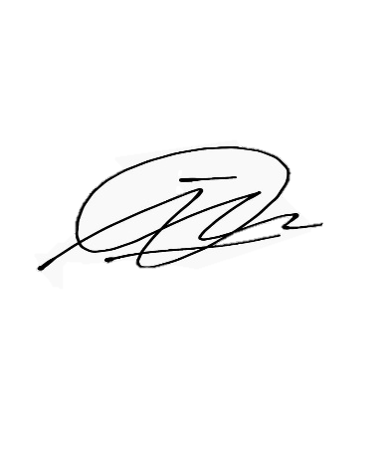

Notes
 |  |  | Received By |  |  | Checked By

 |  |  | Imam D |  |  | Imam D

 |  |  | Date |  |  | Date
 |  |  | 2021-10-18 |  |  | 2021-10-22

Perhatian :
Barang reject selambat-lambatnya harus diambil H+7 setelah BA QC keluar
Lebih dari itu barang sudah bukan tanggung jawab kami.

